Cal Certificate


 |  | Calibration Certificate

 |  |  |  |  |  |  |  |  |  |  |  | Certificate No.: |  |  |  | 25- Rev.00

 |  | Customer : |  |  |  |  |  |  | Location of Calibration :
 |  |  | 0 |  |  |  |  |  |  | SONJU ENGINEERING SERVICES
 |  |  | 0 |  |  |  |  |  |  | Electrical Calibration Area

 |  | Manufacturer: |  |  | Fluke |  |  |  | Description: |  |  |  |  | Digital Multimeter
 |  | Model No: |  |  | 117 |  |  |  | Options Installed: |  |  |  |  | none
 |  | Serial No: |  |  | 0 |  |  |  | Customer Asset No: |  |  |  |  | none
 |  | Calibration Date: |  |  | 0 |  |  |  | Work Order No.: |  |  |  |  | 0
 |  | Received Date: |  |  | 0 |  |  |  | Customer P.O.: |  |  |  |  | none
 |  | Temperature: |  |  | 23 °C ± 5 °C |  |  |  | Humidity: |  |  |  |  | 55 %rh ± 15 %rh

 |  | Cal Method / Procedure :
 |  | As per Manufacturer's recommended performance tests procedure for Fluke 117 Digital Multimeters Calibration Information, 1st - rev., September 2006.

 |  | This is to certify that the above Measuring and Test Equipment has been calibrated by SONJU Engineering Services in accordance with relevant calibration procedure defined for this instrument.

 |  | Uncertainty :
 |  | The expanded uncertainty of measurement for the results given in this certificate was estimated with a coverage factor of k = 2 at 95% level of confidence. The uncertainties of measurement were calculated using a budget worksheet based on JCGM 100:2008 Evaluation of measurement data - Guide to the Expression of Uncertainty in Measurement, 1st edition- 2008.

 |  | Traceability: The instrument was calibrated using reference standard/s traceable to SI Units as maintained by NML-ITDI (Philippines) through SONJU Engineering Services (Philippines).

 |  | Reference Standard Used:

 |  |  | Description |  |  |  | Serial No. |  | Cal Report Ref. |  |  |  |  |  |  | Due Date

 |  |  | Multiproduct Calibrator |  |  |  | 8100021 |  | 24-9973-01ALT Rev.00 |  |  |  |  |  |  | 0

 |  | Remarks:
 |  | 1. The results were the average of the three (3) readings and were obtained during the time of calibration and refer only to the particular instrument submitted. Should the instrument be modified or damaged in any way, or develop inconsistent readings, the results may not be valid and the unit will require recalibration.

 |  | 2. The user should determine the suitability of this instrument for its intended use.
 |  | 3. Preliminary Inspection: Satisfactory
 |  | 4. Nominal values marked with " * " are outside Scope of Accreditation.
 |  | 5. A positve error is to subtracted to the UUT indication and negative error added to give true value.
 |  | 6. As per customer request the next calibration due date is on: |  |  |  |  |  |  |  | 31-Dec-00

 |  |  |  | 0 |  |  |  |  |  |  |  |  | Jennefer S. Ilas
 |  |  |  | Calibration Officer |  |  |  |  |  |  |  |  | Approved Signatory

 |  |  | Issue Date :
Block 1 Lot 49, Jubilation Commercial Strip,
Brgy. Zapote, Biñan City, Laguna 4024 Phils.
Contact Nos.: (049) 513-5233/591-0807;
(02) 782-2153; 09236581107
Email: admin@sonjuengineering.com
Website: www.sonjuengineering.com

This report shall not be reproduced except in full,
without the written approval from the laboratory

 |  | Measurement Results:

 |  |  |  | Resistance Test
 |  |  |  | Range |  | Nominal Value |  | Measured Value |  |  | Error |  |  |  | Uncertainty

 |  |  |  | 600 Ω |  | 0 Ω |  | #DIV/0! |  |  | #DIV/0! |  |  |  | #DIV/0!
 |  |  |  |  |  | 500 Ω |  | #DIV/0! |  |  | #DIV/0! |  |  |  | #DIV/0!
 |  |  |  | 6 kΩ |  | 5 kΩ |  | #DIV/0! |  |  | #DIV/0! |  |  |  | #DIV/0!
 |  |  |  | 60 kΩ |  | 50 kΩ |  | #DIV/0! |  |  | #DIV/0! |  |  |  | #DIV/0!
 |  |  |  | 600 kΩ |  | 500 kΩ |  | #DIV/0! |  |  | #DIV/0! |  |  |  | #DIV/0!
 |  |  |  | 6 MΩ |  | 5 MΩ |  | #DIV/0! |  |  | #DIV/0! |  |  |  | #DIV/0!
 |  |  |  | 40 MΩ |  | 10 MΩ |  | #DIV/0! |  |  | #DIV/0! |  |  |  | #DIV/0!
 |  |  |  |  |  | 30 MΩ |  | #DIV/0! |  |  | #DIV/0! |  |  |  | #DIV/0!

 |  |  |  | Continuity Test
 |  |  |  | Range |  | Applied Value |  | UUT Response |  |  |  |  |  |  | Remarks
 |  |  |  |  |  |  |  | Expected |  |  | Actual
 |  |  |  | 600 Ω |  | 25 Ω |  | Beep On |  |  | Beep On |  |  |  | PASS
 |  |  |  |  |  | 250 Ω |  | Beep Off |  |  | Beep Off |  |  |  | PASS

 |  |  |  | AC Voltage Test
 |  |  |  | Range |  | Nominal Value |  | Measured Value |  |  | Error |  |  |  | Uncertainty

 |  |  |  | 6 V |  | 5 V / 45 Hz |  | #DIV/0! |  |  | #DIV/0! |  |  |  | #DIV/0!
 |  |  |  |  |  | 5 V / 1 kHz |  | #DIV/0! |  |  | #DIV/0! |  |  |  | #DIV/0!
 |  |  |  | 60 V |  | 50 V / 45 Hz |  | #DIV/0! |  |  | #DIV/0! |  |  |  | #DIV/0!
 |  |  |  |  |  | 50 V / 1 kHz |  | #DIV/0! |  |  | #DIV/0! |  |  |  | #DIV/0!
 |  |  |  | 600 V |  | 600 V / 45 Hz |  | #DIV/0! |  |  | #DIV/0! |  |  |  | #DIV/0!
 |  |  |  |  |  | 600 V / 1 kHz |  | #DIV/0! |  |  | #DIV/0! |  |  |  | #DIV/0!

 |  |  |  | AC Voltage Frequency Test
 |  |  |  | Range |  | Nominal Value |  | Measured Value |  |  | Error |  |  |  | Uncertainty

 |  |  |  | 6 V |  | 50 kHz / 2 V |  | #DIV/0! |  |  | #DIV/0! |  |  |  | #DIV/0!

 | 0
 | Calibration Officer

Block 1 Lot 49, Jubilation Commercial Strip,
Brgy. Zapote, Biñan City, Laguna 4024 Phils.
Contact Nos.: (049) 513-5233/591-0807;
(02) 782-2153; 09236581107
Email: admin@sonjuengineering.com
Website: www.sonjuengineering.com
This report shall not be reproduced except in full,
without the written approval from the laboratory

 |  | Measurement Results:

 |  |  |  | DC Voltage Test
 |  |  |  | Range |  | Nominal Value |  | Measured Value |  |  | Error |  |  |  | Uncertainty

 |  |  |  | 6 V |  | 0 V |  | #DIV/0! |  |  | #DIV/0! |  |  |  | #DIV/0!
 |  |  |  |  |  | 5 V |  | #DIV/0! |  |  | #DIV/0! |  |  |  | #DIV/0!
 |  |  |  | 60 V |  | 50 V |  | #DIV/0! |  |  | #DIV/0! |  |  |  | #DIV/0!
 |  |  |  | 600 V |  | 600 V |  | #DIV/0! |  |  | #DIV/0! |  |  |  | #DIV/0!
 |  |  |  |  |  | -600 V |  | #DIV/0! |  |  | #DIV/0! |  |  |  | #DIV/0!

 |  |  |  | AC milli Volt Test
 |  |  |  | Range |  | Nominal Value |  | Measured Value |  |  | Error |  |  |  | Uncertainty

 |  |  |  | 600 mV |  | 6 mV / 45 Hz |  | #DIV/0! |  |  | #DIV/0! |  |  |  | #DIV/0!
 |  |  |  |  |  | 600 mV / 1 kHz |  | #DIV/0! |  |  | #DIV/0! |  |  |  | #DIV/0!

 |  |  |  | DC milli Volt Test
 |  |  |  | Range |  | Nominal Value |  | Measured Value |  |  | Error |  |  |  | Uncertainty

 |  |  |  | 600 mV |  | 10 mV |  | #DIV/0! |  |  | #DIV/0! |  |  |  | #DIV/0!
 |  |  |  |  |  | 600 mV |  | #DIV/0! |  |  | #DIV/0! |  |  |  | #DIV/0!

 |  |  |  | Diode Test
 |  |  |  | Range |  | Nominal Value |  | Measured Value |  |  | Error |  |  |  | Uncertainty

 |  |  |  | 2 V |  | 1.9 V |  | #DIV/0! |  |  | #DIV/0! |  |  |  | #DIV/0!

 |  |  |  | Capacitance Test
 |  |  |  | Range |  | Nominal Value |  | Measured Value |  |  | Error |  |  |  | Uncertainty

 |  |  |  | 1 000 nF |  | Open * |  | #DIV/0! |  |  | #DIV/0! |  |  |  | -
 |  |  |  | 9 999 µF |  | 900 µF * |  | #DIV/0! |  |  | #DIV/0! |  |  |  | #DIV/0!

 |  |  |  | LoZ Capacitance Test
 |  |  |  | Range |  | Nominal Value |  | Measured Value |  |  | Error |  |  |  | Uncertainty

 |  |  |  | 10 µF |  | 9 µF * |  | #DIV/0! |  |  | #DIV/0! |  |  |  | #DIV/0!

 | 0
 | Calibration Officer

Block 1 Lot 49, Jubilation Commercial Strip,
Brgy. Zapote, Biñan City, Laguna 4024 Phils.
Contact Nos.: (049) 513-5233/591-0807;
(02) 782-2153; 09236581107
Email: admin@sonjuengineering.com
Website: www.sonjuengineering.com

This report shall not be reproduced except in full,
without the written approval from the laboratory

 |  | Measurement Results:

 |  |  |  | DC Current Test
 |  |  |  | Range |  | Nominal Value |  | Measured Value |  |  | Error |  |  |  | Uncertainty

 |  |  |  | 10 A |  | 10 A |  | #DIV/0! |  |  | #DIV/0! |  |  |  | #DIV/0!

 |  |  |  | AC Current Test
 |  |  |  | Range |  | Nominal Value |  | Measured Value |  |  | Error |  |  |  | Uncertainty

 |  |  |  | 6 A |  | 5 A / 45 Hz |  | 0.00 A |  |  | #DIV/0! |  |  |  | #DIV/0!

i

i

 | 0
 | Calibration Officer

Block 1 Lot 49, Jubilation Commercial Strip,
Brgy. Zapote, Biñan City, Laguna 4024 Phils.
Contact Nos.: (049) 513-5233/591-0807;
(02) 782-2153; 09236581107
Email: admin@sonjuengineering.com
Website: www.sonjuengineering.com

This report shall not be reproduced except in full,
without the written approval from the laboratory

 |  |  |  | 0
 |  |  |  | Calibration Officer

Block 1 Lot 49, Jubilation Commercial Strip,
Brgy. Zapote, Biñan City, Laguna 4024 Phils.
Contact Nos.: (049) 513-5233/591-0807;
(02) 782-2153; 09236581107
Email: admin@sonjuengineering.com
Website: www.sonjuengineering.com
This report shall not be reproduced except in full,
without the written approval from the laboratory

Specification
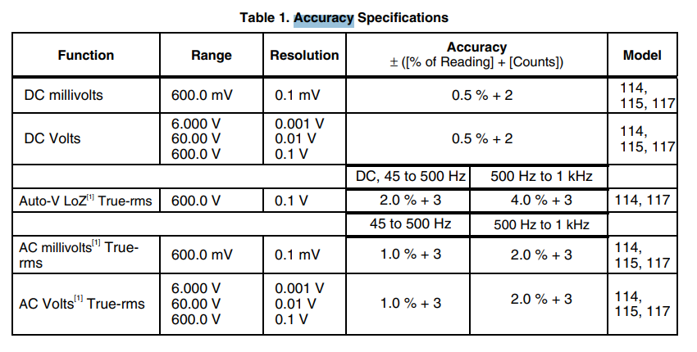
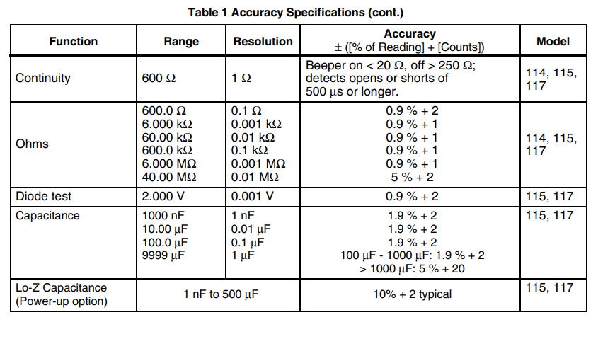
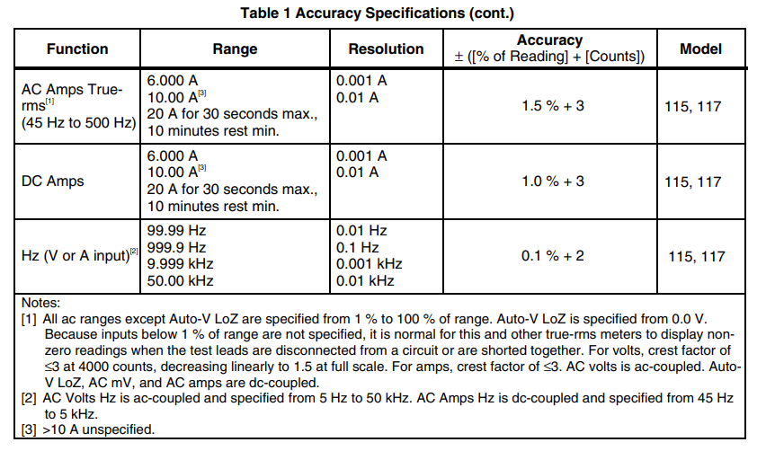
https://www.instrumart.com/assets/fluke115_116_117_manual.pdf

